Exploratory Data Analysis

Exploratory data analysis

Step 1
Inspect original data

# | Field | Value | Issue | Severity level | Action

1 | team_name |  | No | No

2 | max_editors |  | 6% missing value | Low | Imputation: missing -> unknown

3 | subcription_start | Min: 2019-05-14 Max: 2021-05-28 | No | No

4 | renewal_date | Min: 2021-04-14 Max: 2024-06-01 | TEAM062 have renewal_date before or at subcription_start | Low | Question for related stakeholder: Why some customers have renewal_date before the data extraction date, and they still have MRR? Did they renew the subcription plan and continue to be paying customers, so is their MRR actual figure? If not, then they must be exclude from the paying customer list.

5 | billing_frequency | Yearly, Monthly | No | Low
6 | mrr | £, $, missing value | TEAM024 and TEAM062 missing value (2%) | Low | 1. Exclude records with missing value (because we are counting paying customers) 2. Notify Finance/Sales for correction 3. Convert £ to $

7 | nb_styleguides |  | No | No

8 | last_styleguide_update |  | No | No

9 | nb_custom_domains |  | No | No

10 | is_sso_set_up |  | No | No

11 | last_week_viewers |  | Have blank value | No | Since there is no 0 in these fields, imputation: blank field => 0

12 | last_month_viewers |  | Have blank value | No

Step 2
Add new fields, explode into monthly data

# | Field | Definition | Example of value

13 | diff_months | Length of customer relationship (in months) (Calculate: end date (06-07-2021) substract subcription start date) | decimal: 0.2, 1,4, etc

14 | cohort_year | Year of subscription date | 2019, 2020, 2021

15 | cohort_month | Month of subscription date | 1, 2, 3,

16 | cohort_year_month | Year and month of subscription date | 2019-01, 2019-02,

17 | year | Consecutive year since subcription date until end date | 2019, 2020,

18 | month | Consecutive month since subcription date until end date | 1, 2, 3

19 | year_month | Year and month of subscription until end date | 2019-02, 2020-02

20 | max_editors_group | Based on pricing subscription plan, create new categorical field to segment max_editors: For max_editors > 10: "enterprise" For max_editors < 10: "company" Other: "unknown"

21 | styleguide_group | Based on pricing subscription plan, create new categorical field to segment number of styleguides: 1 style guide: "only 1 style guide" <3 style guides: "2-3 styleguides" >3 style guides: " >3 styleguides"

Snapshot of newly exploded data |  | (Original data set: Click here) |  | (Full data set: Click here)

Instruction
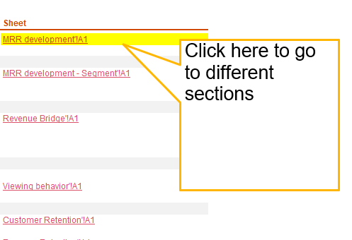
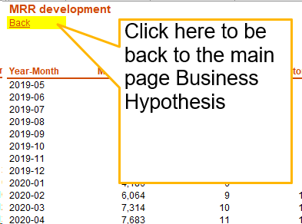
Instruction

From sheet Business Hypothesis | To section

MRR development
MRR development
Back

Comments
All indicators: Revenue, number of customers, number of editors have grown significantly exponentially since 2019-05 til 2021-06
Monthly figures
Year-Month | MRR | No. Customers | No. Max Editors | Average revenue per customer | Average revenue per editor | MOM growth in revenue (%) | MOM growth in customer (%) | MOM growth in editor (%)
2019-05 | 1,042 | 1 | 15 | 1,042 | 69
2019-06 | 1,042 | 1 | 15 | 1,042 | 69 | 0% | 0% | 0%
2019-07 | 1,042 | 1 | 15 | 1,042 | 69 | 0% | 0% | 0%
2019-08 | 1,042 | 1 | 15 | 1,042 | 69 | 0% | 0% | 0%
2019-09 | 1,667 | 2 | 15 | 834 | 111 | 60% | 100% | 0%
2019-10 | 2,542 | 3 | 15 | 847 | 169 | 52% | 50% | 0%
2019-11 | 2,542 | 3 | 15 | 847 | 169 | 0% | 0% | 0%
2019-12 | 2,903 | 4 | 30 | 726 | 97 | 14% | 33% | 100%
2020-01 | 4,186 | 6 | 65 | 698 | 64 | 44% | 50% | 117%
2020-02 | 6,064 | 9 | 100 | 674 | 61 | 45% | 50% | 54%
2020-03 | 7,314 | 10 | 125 | 731 | 59 | 21% | 11% | 25%
2020-04 | 7,683 | 11 | 130 | 698 | 59 | 5% | 10% | 4%
2020-05 | 8,933 | 12 | 130 | 744 | 69 | 16% | 9% | 0%
2020-06 | 12,505 | 17 | 215 | 736 | 58 | 40% | 42% | 65%
2020-07 | 16,760 | 23 | 270 | 729 | 62 | 34% | 35% | 26%
2020-08 | 20,305 | 28 | 345 | 725 | 59 | 21% | 22% | 28%
2020-09 | 24,174 | 36 | 405 | 671 | 60 | 19% | 29% | 17%
2020-10 | 27,323 | 41 | 460 | 666 | 59 | 13% | 14% | 14%
2020-11 | 32,710 | 49 | 560 | 668 | 58 | 20% | 20% | 22%
2020-12 | 41,308 | 62 | 705 | 666 | 59 | 26% | 27% | 26%
2021-01 | 47,091 | 70 | 800 | 673 | 59 | 14% | 13% | 13%
2021-02 | 49,828 | 75 | 835 | 664 | 60 | 6% | 7% | 4%
2021-03 | 52,877 | 81 | 880 | 653 | 60 | 6% | 8% | 5%
2021-04 | 59,812 | 92 | 990 | 650 | 60 | 13% | 14% | 13%
2021-05 | 63,227 | 98 | 1,030 | 645 | 61 | 6% | 7% | 4%
2021-06 | 63,227 | 98 | 1,030 | 645 | 61 | 0% | 0% | 0%

Yearly development
12 months development | Revenue
LTM Jun 2019 | 58,423
2020 | 209,265
LTM Jun 2021 | 498,642
Growth % | 138%
Note: LTM = last 12 months

Compare YTD vs YTD last year
YTD | 336,062
YTD last year | 46,685
Growth % | 620%

MRR and No. Customers

No. Customres and No. Editors
 | No. Customers | Sum of max_editors
5 | 1 | 15
6 | 1 | 15
7 | 1 | 15
8 | 1 | 15
9 | 2 | 15
10 | 3 | 15
11 | 3 | 15
12 | 4 | 30
1 | 6 | 65
2 | 9 | 100
3 | 10 | 125
4 | 11 | 130
5 | 12 | 130
6 | 17 | 215
7 | 23 | 270
8 | 28 | 345
9 | 36 | 405
10 | 41 | 460
11 | 49 | 560
12 | 62 | 705
1 | 70 | 800
2 | 75 | 835
3 | 81 | 880
4 | 92 | 990
5 | 98 | 1,030
6 | 98 | 1,030

MRR development - Segment
MRR development by segment
Back

 | FALSE | TRUE
2019-05 |  | 1,042
2019-06 |  | 1,042
2019-07 |  | 1,042
2019-08 |  | 1,042
2019-09 |  | 1,667
2019-10 |  | 2,542
2019-11 |  | 2,542
2019-12 | 361 | 2,542
2020-01 | 361 | 3,825
2020-02 | 1,186 | 4,878
2020-03 | 1,186 | 6,128
2020-04 | 1,186 | 6,497
2020-05 | 1,186 | 7,747
2020-06 | 1,186 | 11,319
2020-07 | 1,555 | 15,205
2020-08 | 2,963 | 17,342
2020-09 | 3,691 | 20,483
2020-10 | 4,972 | 22,351
2020-11 | 5,891 | 26,819
2020-12 | 7,631 | 33,677
2021-01 | 11,008 | 36,083
2021-02 | 12,397 | 37,431
2021-03 | 13,097 | 39,780
2021-04 | 15,422 | 44,390
2021-05 | 18,837 | 44,390
2021-06 | 18,837 | 44,390
By SSO set up

Sum of mrr | Column Labels
Row Labels | FALSE | TRUE | % not SSO vs SSO
2019-05 |  | 1,042 | 0%
2019-06 |  | 1,042 | 0%
2019-07 |  | 1,042 | 0%
2019-08 |  | 1,042 | 0%
2019-09 |  | 1,667 | 0%
2019-10 |  | 2,542 | 0%
2019-11 |  | 2,542 | 0%
2019-12 | 361 | 2,542 | 12%
2020-01 | 361 | 3,825 | 9%
2020-02 | 1,186 | 4,878 | 20%
2020-03 | 1,186 | 6,128 | 16%
2020-04 | 1,186 | 6,497 | 15%
2020-05 | 1,186 | 7,747 | 13%
2020-06 | 1,186 | 11,319 | 9%
2020-07 | 1,555 | 15,205 | 9%
2020-08 | 2,963 | 17,342 | 15%
2020-09 | 3,691 | 20,483 | 15%
Comments
Share of revenue from customers who don't require SSO set up started in 2019-11. Since 2020-08, it has increased month over month. By 2021-06, it accounts for approx. 30% of monhtly revenue (largest share ever since)
2020-10 | 4,972 | 22,351 | 18%
2020-11 | 5,891 | 26,819 | 18%
2020-12 | 7,631 | 33,677 | 18%
2021-01 | 11,008 | 36,083 | 23%
2021-02 | 12,397 | 37,431 | 25%
2021-03 | 13,097 | 39,780 | 25%
2021-04 | 15,422 | 44,390 | 26%
2021-05 | 18,837 | 44,390 | 30%
2021-06 | 18,837 | 44,390 | 30%
Grand Total | 122,953 | 436,196

By number of custom domains
 | 0 | 1 | 2 | 3 | 5 | 25
2019-05 |  |  |  |  |  | 1,042
2019-06 |  |  |  |  |  | 1,042
2019-07 |  |  |  |  |  | 1,042
2019-08 |  |  |  |  |  | 1,042
2019-09 |  | 625 |  |  |  | 1,042
2019-10 | 875 | 625 |  |  |  | 1,042
2019-11 | 875 | 625 |  |  |  | 1,042
2019-12 | 875 | 986 |  |  |  | 1,042
2020-01 | 1,533 | 1,611 |  |  |  | 1,042
2020-02 | 2,753 | 2,269 |  |  |  | 1,042
2020-03 | 2,753 | 3,519 |  |  |  | 1,042
2020-04 | 3,122 | 3,519 |  |  |  | 1,042
2020-05 | 3,122 | 4,769 |  |  |  | 1,042
2020-06 | 4,991 | 6,472 |  |  |  | 1,042
2020-07 | 7,709 | 6,967 |  |  | 1,042 | 1,042
2020-08 | 8,367 | 9,459 |  | 395 | 1,042 | 1,042
2020-09 | 9,570 | 12,125 |  | 395 | 1,042 | 1,042
2020-10 | 11,949 | 12,895 |  | 395 | 1,042 | 1,042
2020-11 | 15,175 | 13,687 |  | 1,764 | 1,042 | 1,042
2020-12 | 18,188 | 17,322 | 1,950 | 1,764 | 1,042 | 1,042
2021-01 | 23,565 | 17,728 | 1,950 | 1,764 | 1,042 | 1,042
2021-02 | 24,296 | 19,734 | 1,950 | 1,764 | 1,042 | 1,042
2021-03 | 25,697 | 21,382 | 1,950 | 1,764 | 1,042 | 1,042
2021-04 | 31,049 | 22,965 | 1,950 | 1,764 | 1,042 | 1,042
2021-05 | 33,922 | 23,507 | 1,950 | 1,764 | 1,042 | 1,042
2021-06 | 33,922 | 23,507 | 1,950 | 1,764 | 1,042 | 1,042
Sum of mrr | Column Labels
Row Labels | - | 1 | 2 | 3 | 5 | 25
2019-05 |  |  |  |  |  | 1,042
2019-06 |  |  |  |  |  | 1,042
2019-07 |  |  |  |  |  | 1,042
2019-08 |  |  |  |  |  | 1,042
2019-09 |  | 625 |  |  |  | 1,042
2019-10 | 875 | 625 |  |  |  | 1,042
2019-11 | 875 | 625 |  |  |  | 1,042
2019-12 | 875 | 986 |  |  |  | 1,042
2020-01 | 1,533 | 1,611 |  |  |  | 1,042
2020-02 | 2,753 | 2,269 |  |  |  | 1,042
2020-03 | 2,753 | 3,519 |  |  |  | 1,042
2020-04 | 3,122 | 3,519 |  |  |  | 1,042
2020-05 | 3,122 | 4,769 |  |  |  | 1,042
2020-06 | 4,991 | 6,472 |  |  |  | 1,042
2020-07 | 7,709 | 6,967 |  |  | 1,042 | 1,042
2020-08 | 8,367 | 9,459 |  | 395 | 1,042 | 1,042
2020-09 | 9,570 | 12,125 |  | 395 | 1,042 | 1,042
2020-10 | 11,949 | 12,895 |  | 395 | 1,042 | 1,042
2020-11 | 15,175 | 13,687 |  | 1,764 | 1,042 | 1,042
2020-12 | 18,188 | 17,322 | 1,950 | 1,764 | 1,042 | 1,042
2021-01 | 23,565 | 17,728 | 1,950 | 1,764 | 1,042 | 1,042
2021-02 | 24,296 | 19,734 | 1,950 | 1,764 | 1,042 | 1,042
2021-03 | 25,697 | 21,382 | 1,950 | 1,764 | 1,042 | 1,042
2021-04 | 31,049 | 22,965 | 1,950 | 1,764 | 1,042 | 1,042
2021-05 | 33,922 | 23,507 | 1,950 | 1,764 | 1,042 | 1,042
Comments
Most revenue comes from customers who requires only 0 -1 custom domain. accounting for 47% and 40% respectively
2021-06 | 33,922 | 23,507 | 1,950 | 1,764 | 1,042 | 1,042
Grand Total | 264,308 | 226,298 | 13,650 | 15,297 | 12,504 | 27,092

% of total | 47% | 40% | 2% | 3% | 2% | 5%

 | company | enterprise | unknown
2019-05 |  | 1,042
2019-06 |  | 1,042
2019-07 |  | 1,042
2019-08 |  | 1,042
2019-09 |  | 1,042 | 625
2019-10 |  | 1,042 | 1,500
2019-11 |  | 1,042 | 1,500
2019-12 |  | 1,403 | 1,500
2020-01 | 658 | 2,028 | 1,500
2020-02 | 1,711 | 2,853 | 1,500
2020-03 | 1,711 | 4,103 | 1,500
2020-04 | 2,080 | 4,103 | 1,500
2020-05 | 2,080 | 4,103 | 2,750
2020-06 | 2,969 | 6,786 | 2,750
2020-07 | 3,707 | 8,219 | 4,834
2020-08 | 5,252 | 10,219 | 4,834
2020-09 | 9,121 | 10,219 | 4,834
2020-10 | 10,683 | 11,806 | 4,834
2020-11 | 13,114 | 14,762 | 4,834
2020-12 | 17,520 | 18,954 | 4,834
2021-01 | 19,775 | 22,482 | 4,834
2021-02 | 22,512 | 22,482 | 4,834
2021-03 | 24,024 | 23,477 | 5,376
2021-04 | 28,965 | 25,471 | 5,376
2021-05 | 32,380 | 25,471 | 5,376
2021-06 | 32,380 | 25,471 | 5,376
By company type - number of max. Editors

Sum of mrr | Column Labels
Row Labels | company | enterprise | unknown | % company | % enterprise | % unknown
2019-05 |  | 1,042 |  | 0% | 100% | 0%
2019-06 |  | 1,042 |  | 0% | 100% | 0%
2019-07 |  | 1,042 |  | 0% | 100% | 0%
2019-08 |  | 1,042 |  | 0% | 100% | 0%
2019-09 |  | 1,042 | 625 | 0% | 63% | 37%
2019-10 |  | 1,042 | 1,500 | 0% | 41% | 59%
2019-11 |  | 1,042 | 1,500 | 0% | 41% | 59%
2019-12 |  | 1,403 | 1,500 | 0% | 48% | 52%
2020-01 | 658 | 2,028 | 1,500 | 16% | 48% | 36%
2020-02 | 1,711 | 2,853 | 1,500 | 28% | 47% | 25%
2020-03 | 1,711 | 4,103 | 1,500 | 23% | 56% | 21%
2020-04 | 2,080 | 4,103 | 1,500 | 27% | 53% | 20%
2020-05 | 2,080 | 4,103 | 2,750 | 23% | 46% | 31%
2020-06 | 2,969 | 6,786 | 2,750 | 24% | 54% | 22%
2020-07 | 3,707 | 8,219 | 4,834 | 22% | 49% | 29%
2020-08 | 5,252 | 10,219 | 4,834 | 26% | 50% | 24%
2020-09 | 9,121 | 10,219 | 4,834 | 38% | 42% | 20%
2020-10 | 10,683 | 11,806 | 4,834 | 39% | 43% | 18%
2020-11 | 13,114 | 14,762 | 4,834 | 40% | 45% | 15%
2020-12 | 17,520 | 18,954 | 4,834 | 42% | 46% | 12%
Comments
In 2019, most revenue came from enterprise customer type (> 10 max. editors) and customers with unknown max. editors.
Starting in 2020, share of revenue comes from company customer type has grown steadily. Until 2021-03, revenue contributed by company customer type has accounted started to become higher than in enterprise customer type.
2021-01 | 19,775 | 22,482 | 4,834 | 42% | 48% | 10%
2021-02 | 22,512 | 22,482 | 4,834 | 45% | 45% | 10%
2021-03 | 24,024 | 23,477 | 5,376 | 45% | 44% | 10%
2021-04 | 28,965 | 25,471 | 5,376 | 48% | 43% | 9%
2021-05 | 32,380 | 25,471 | 5,376 | 51% | 40% | 9%
2021-06 | 32,380 | 25,471 | 5,376 | 51% | 40% | 9%
Grand Total | 230,642 | 251,706 | 76,801 | 41% | 45% | 14%

Viewing behavior
Viewing behavior
Back

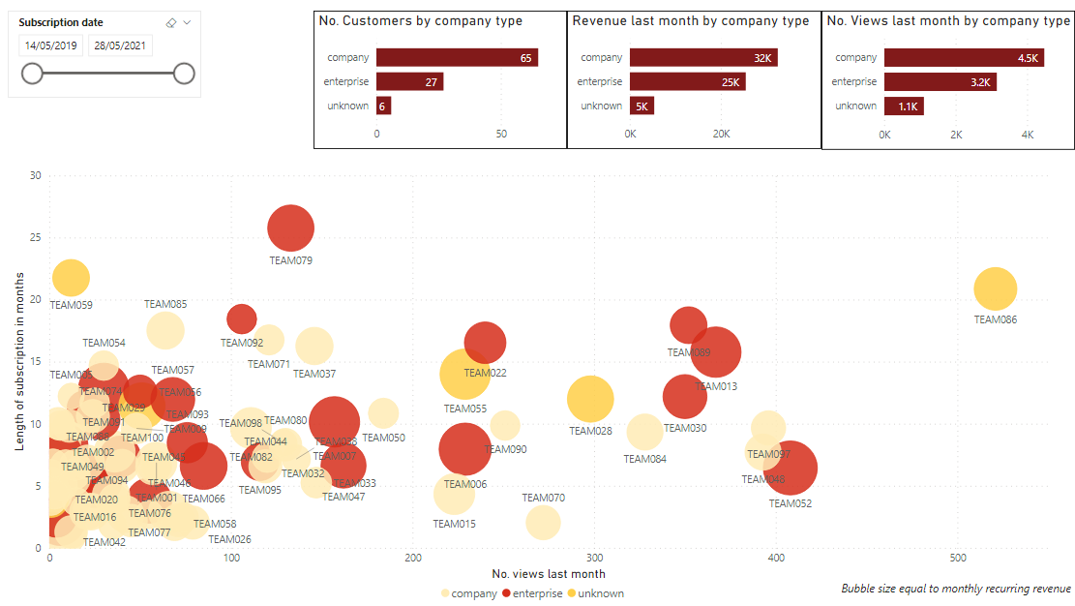

 | # view | Sum of max_editors | Sum of last_week_viewers | Sum of last_month_viewers | Last week view per editor | Last month view per editor
 | TEAM086 |  | 153 | 521 | - | -
 | TEAM052 | 25 | 153 | 408 | 6.1 | 16.3
 | TEAM097 | 5 | 164 | 396 | 32.8 | 79.2
 | TEAM048 | 10 | 97 | 393 | 9.7 | 39.3
 | TEAM013 | 25 | 132 | 367 | 5.3 | 14.7
 | TEAM089 | 25 | 118 | 352 | 4.7 | 14.1
 | TEAM030 | 25 | 101 | 350 | 4.0 | 14.0
 | TEAM084 | 10 | 122 | 328 | 12.2 | 32.8
 | TEAM028 |  | 77 | 298 | - | -
 | TEAM070 | 5 | 87 | 272 | 17.4 | 54.4
 | TEAM090 | 10 | 78 | 251 | 7.8 | 25.1
 | TEAM022 | 15 | 58 | 240 | 3.9 | 16.0
 | TEAM006 | 35 | 85 | 229 | 2.4 | 6.5
 | TEAM055 |  | 76 | 229 | - | -
 | TEAM015 | 10 | 70 | 223 | 7.0 | 22.3
 | TEAM050 | 10 | 60 | 184 | 6.0 | 18.4
 | TEAM047 | 25 | 39 | 162 | 1.6 | 6.5
 | TEAM007 | 25 | 49 | 157 | 2.0 | 6.3
 | TEAM033 | 5 | 35 | 147 | 7.0 | 29.4
 | TEAM037 | 10 | 22 | 146 | 2.2 | 14.6
 | TEAM038 | 5 | 32 | 136 | 6.4 | 27.2
 | TEAM079 | 15 | 37 | 133 | 2.5 | 8.9
 | TEAM080 | 10 | 29 | 130 | 2.9 | 13.0
 | TEAM098 | 5 | 35 | 129 | 7.0 | 25.8
 | TEAM071 | 10 | 28 | 121 | 2.8 | 12.1
 | TEAM032 | 10 | 16 | 120 | 1.6 | 12.0
 | TEAM044 | 10 | 27 | 119 | 2.7 | 11.9
 | TEAM095 | 15 | 59 | 116 | 3.9 | 7.7
 | TEAM082 | 10 | 43 | 111 | 4.3 | 11.1
 | TEAM092 | 15 | 22 | 106 | 1.5 | 7.1
 | TEAM066 | 25 | 25 | 85 | 1.0 | 3.4
 | TEAM026 | 10 | 46 | 79 | 4.6 | 7.9
 | TEAM093 | 15 | 18 | 76 | 1.2 | 5.1
 | TEAM017 | 10 | 20 | 74 | 2.0 | 7.4
 | TEAM008 | 10 | 22 | 71 | 2.2 | 7.1
 | TEAM058 | 5 | 24 | 69 | 4.8 | 13.8
 | TEAM057 | 25 | 20 | 68 | 0.8 | 2.7
 | TEAM046 | 10 | 20 | 66 | 2.0 | 6.6
Comments
Bar plot:
Bar plots on the top show that revenue, number of view are highly correlated to number of customers in each customer type (company, enterprise, unknown)
Scatter plot:
The scatter plot beneath shows the correlation between the length of subscription (in months) and number of view last month for each customer. Most customers view less than 100 times last month
Table (on the right side):
- Most active team
Team097 was the most active customer (last week's view per editor: 32.8 times, last month's view per editor: 9.2 times)
- Least active team
TEAM031
TEAM096
TEAM036
TEAM012
TEAM035
did not view any time last month. These customers need attention/ investigation
 | TEAM085 | 10 | 19 | 64 | 1.9 | 6.4
 | TEAM078 | 5 | 9 | 59 | 1.8 | 11.8
 | TEAM001 | 10 | 31 | 59 | 3.1 | 5.9
 | TEAM064 | 5 | 30 | 57 | 6.0 | 11.4
 | TEAM014 | 5 | 19 | 55 | 3.8 | 11.0
 | TEAM077 | 25 | 18 | 55 | 0.7 | 2.2
 | TEAM100 |  | 20 | 51 | - | -
 | TEAM056 | 15 | 22 | 50 | 1.5 | 3.3
 | TEAM009 | 5 | 7 | 48 | 1.4 | 9.6
 | TEAM075 | 10 | 17 | 45 | 1.7 | 4.5
 | TEAM027 | 10 | 45 | 42 | 4.5 | 4.2
 | TEAM049 | 5 | 11 | 40 | 2.2 | 8.0
 | TEAM045 | 15 | 19 | 39 | 1.3 | 2.6
 | TEAM051 | 5 | 42 | 36 | 8.4 | 7.2
 | TEAM034 | 5 | 19 | 36 | 3.8 | 7.2
 | TEAM068 | 5 | 8 | 35 | 1.6 | 7.0
 | TEAM076 | 10 | 10 | 34 | 1.0 | 3.4
 | TEAM091 | 30 | 5 | 30 | 0.2 | 1.0
 | TEAM054 | 5 | 6 | 30 | 1.2 | 6.0
 | TEAM074 | 25 | 12 | 28 | 0.5 | 1.1
 | TEAM003 | 10 | 2 | 25 | 0.2 | 2.5
 | TEAM016 | 25 | 18 | 25 | 0.7 | 1.0
 | TEAM010 | 5 | 12 | 24 | 2.4 | 4.8
 | TEAM002 | 25 | 6 | 24 | 0.2 | 1.0
 | TEAM043 | 5 | 5 | 23 | 1.0 | 4.6
 | TEAM088 | 5 | 6 | 21 | 1.2 | 4.2
 | TEAM040 | 5 | 2 | 21 | 0.4 | 4.2
 | TEAM029 | 15 | 6 | 19 | 0.4 | 1.3
 | TEAM004 | 10 | 1 | 18 | 0.1 | 1.8
 | TEAM041 | 5 | 12 | 15 | 2.4 | 3.0
 | TEAM081 | 5 | 3 | 14 | 0.6 | 2.8
 | TEAM099 | 5 | 2 | 14 | 0.4 | 2.8
 | TEAM067 | 5 | 1 | 13 | 0.2 | 2.6
 | TEAM005 | 10 | 7 | 12 | 0.7 | 1.2
 | TEAM060 | 5 | 6 | 12 | 1.2 | 2.4
 | TEAM059 |  |  | 12 | - | -
 | TEAM023 | 10 | 3 | 11 | 0.3 | 1.1
 | TEAM069 | 15 | 3 | 10 | 0.2 | 0.7
 | TEAM063 | 5 | 3 | 9 | 0.6 | 1.8
 | TEAM025 | 10 |  | 8 | - | 0.8
 | TEAM018 | 5 |  | 7 | - | 1.4
 | TEAM087 | 15 | 1 | 7 | 0.1 | 0.5
 | TEAM094 | 15 | 3 | 6 | 0.2 | 0.4
 | TEAM061 | 10 | 1 | 6 | 0.1 | 0.6
 | TEAM042 | 25 |  | 6 | - | 0.2
 | TEAM039 | 5 | 10 | 6 | 2.0 | 1.2
 | TEAM065 | 5 |  | 5 | - | 1.0
 | TEAM020 | 15 |  | 4 | - | 0.3
 | TEAM073 | 5 | 2 | 3 | 0.4 | 0.6
 | TEAM083 | 5 |  | 3 | - | 0.6
 | TEAM011 | 5 |  | 2 | - | 0.4
 | TEAM021 | 5 | 1 | 1 | 0.2 | 0.2
 | TEAM053 | 10 |  | 1 | - | 0.1
 | TEAM072 | 5 |  | 1 | - | 0.2
 | TEAM019 |  |  | 1 | - | -
 | TEAM031 | 5 |  |  | - | -
 | TEAM096 | 5 |  |  | - | -
 | TEAM036 | 5 |  |  | - | -
 | TEAM012 | 5 |  |  | - | -
 | TEAM035 | 5 |  |  | - | -

Customer Concentration
Customer concentration
Back

 | % of total revenue | 2019 | 2020 | 2021 | % of total revenue | 2019 | 2020 | 2021

 | TEAM079 | 60% | 6.0% | 1.8% | Top 5 customers | 100% | 26% | 12%
 | TEAM086 | 19% | 5.0% | 1.6% | Top 10 customers | 100% | 45% | 22%
 | TEAM059 | 18% | 3.6% | 1.1%
 | TEAM092 | 3% | 2.1% | 0.6%
Customer concentration risk
Customer concentration occurs when a single customer accounts for 10% or more of the revenue, or when the company's largest five customers account for 25% or more of the revenue.
Comments
In the last 6 months of 2019, there are only 4 customers and TEAM079 accounts for 60% revenue.
In 2020, top 5 customers took a drastically smaller percentage, contributed to 26% of total revenue. Customer concentration risk remained an issue to the business.
In the first half of 2021, top 5 customers only took 12% of the revenue, and no customer accounts for more than 3% of the revenue. It indicates the business has expanded to a larger number of customers. Customer concentration risk has reduced significantly
 | TEAM075 |  |  | 0.4%
 | TEAM056 |  | 1.7% | 0.9%
 | TEAM096 |  | 1.1% | 0.7%
 | TEAM006 |  | 1.3% | 2.4%
 | TEAM067 |  |  | 1.0%
 | TEAM007 |  | 3.0% | 2.2%
 | TEAM084 |  | 1.1% | 1.1%
 | TEAM008 |  |  | 0.4%
 | TEAM052 |  | 0.7% | 2.6%
 | TEAM009 |  | 0.8% | 0.7%
 | TEAM063 |  | 0.2% | 0.7%
 | TEAM010 |  | 1.2% | 0.9%
 | TEAM071 |  | 2.1% | 0.7%
 | TEAM011 |  | 0.2% | 0.6%
 | TEAM080 |  | 0.7% | 0.8%
 | TEAM012 |  |  | 0.5%
 | TEAM005 |  | 0.9% | 0.5%
 | TEAM088 |  | 0.3% | 1.0%
 | TEAM013 |  | 6.0% | 2.2%
 | TEAM100 |  | 3.0% | 1.8%
 | TEAM014 |  |  | 0.3%
 | TEAM054 |  | 1.6% | 0.7%
 | TEAM015 |  |  | 1.2%
 | TEAM004 |  | 1.6% | 1.2%
 | TEAM016 |  |  | 2.6%
 | TEAM065 |  | 0.6% | 0.7%
 | TEAM017 |  |  | 0.3%
 | TEAM069 |  | 1.2% | 1.4%
 | TEAM018 |  |  | 0.7%
 | TEAM073 |  |  | 0.8%
 | TEAM019 |  |  | 0.6%
 | TEAM077 |  |  | 1.2%
 | TEAM020 |  |  | 0.7%
 | TEAM082 |  | 1.5% | 1.4%
 | TEAM021 |  |  | 0.7%
 | TEAM003 |  | 1.1% | 0.7%
 | TEAM022 |  | 4.3% | 1.5%
 | TEAM090 |  | 0.7% | 0.7%
 | TEAM023 |  | 0.9% | 0.8%
 | TEAM094 |  |  | 1.9%
 | TEAM025 |  |  | 0.6%
 | TEAM098 |  | 0.4% | 0.5%
 | TEAM026 |  |  | 0.4%
 | TEAM051 |  |  | 0.5%
 | TEAM027 |  |  | 0.5%
 | TEAM053 |  |  | 0.9%
 | TEAM028 |  | 3.0% | 1.8%
 | TEAM055 |  | 4.8% | 2.2%
 | TEAM029 |  | 1.4% | 0.9%
 | TEAM057 |  | 2.7% | 1.7%
 | TEAM058 |  |  | 0.3%
 | TEAM060 |  |  | 0.3%
 | TEAM030 |  | 3.1% | 1.7%
 | TEAM061 |  | 1.1% | 1.4%
 | TEAM031 |  |  | 0.6%
 | TEAM064 |  | 0.3% | 1.0%
 | TEAM032 |  | 0.4% | 0.7%
 | TEAM066 |  | 0.5% | 1.9%
 | TEAM033 |  |  | 0.7%
 | TEAM068 |  |  | 0.2%
 | TEAM034 |  | 0.8% | 1.4%
 | TEAM070 |  |  | 0.5%
 | TEAM035 |  | 0.3% | 0.7%
 | TEAM072 |  |  | 0.4%
 | TEAM036 |  | 2.1% | 1.1%
 | TEAM074 |  | 1.8% | 1.3%
 | TEAM037 |  | 3.5% | 1.2%
 | TEAM076 |  |  | 1.0%
 | TEAM038 |  | 0.3% | 0.6%
 | TEAM002 |  |  | 1.8%
 | TEAM078 |  | 0.2% | 0.7%
 | TEAM039 |  | 0.7% | 0.7%
 | TEAM081 |  |  | 0.7%
 | TEAM040 |  |  | 0.5%
 | TEAM083 |  |  | 0.5%
 | TEAM041 |  |  | 0.4%
 | TEAM085 |  | 3.8% | 1.2%
 | TEAM042 |  |  | 1.1%
 | TEAM087 |  | 0.7% | 1.4%
 | TEAM043 |  |  | 0.6%
 | TEAM089 |  | 3.6% | 1.1%
 | TEAM044 |  | 0.2% | 0.9%
 | TEAM091 |  | 4.2% | 2.2%
 | TEAM045 |  | 0.8% | 1.4%
 | TEAM093 |  | 1.1% | 1.4%
 | TEAM046 |  |  | 0.7%
 | TEAM095 |  | 0.3% | 1.1%
 | TEAM047 |  | 0.5% | 1.8%
 | TEAM097 |  | 1.0% | 1.0%
 | TEAM048 |  | 0.6% | 1.1%
 | TEAM099 |  | 0.2% | 0.7%
 | TEAM049 |  | 0.2% | 0.9%
 | TEAM001 |  | 0.4% | 1.4%
 | TEAM050 |  | 0.9% | 0.7%
 | Total | 100% | 100% | 100%

Revenue Bridge
Slicer | Revenue breakdown by new/lost/existing customers
 | Back |  | Net retention %

Revenue bridge
 | Ends | NegBlank | NegLoss | NegGain | PosBlank | PosLoss | PosGain | Label Y | Y Label
2019 (month 07-12) | 13 |  |  |  |  |  |  | - | 12.78
New customers | - | - | - | - | 13 | - | 29 | - | 42.047
Up-Sell | - | - | - | - | 42 | - | 5 | - | 46.685
2020 (month 01-06) | 47 | - | - | - | - | - | - | - | 46.685
New customers | - | - | - | - | 47 | - | 88 | - | 134.711
Up-Sell | - | - | - | - | 135 | - | 28 | - | 163.056
2020 (month 07-12) | 163 | - | - | - | - | - | - | - | 163.056
New customers | - | - | - | - | 163 | - | 88 | - | 251.27
Up-Sell | - | - | - | - | 251 | - | 86 | - | 336.776
2021 (month 01-07) | 337 | - | - | - | - | - | - | - | 336.776
 |  |  | USD (thous.) | 2019 (Q3+Q4) | 2020 (Q1+Q2) | 2020 (Q3+Q4) | 2021 (Q1+Q2)
 |  |  | Revenue | 13 | 47 | 163 | 337
 |  |  | Net retention % * | n.a. | 136% | 161% | 152%
Net retention % is an indication of how well the company can generate additional revenue from its existing customer base, instead of relying to the acquisition of new customers.
Net retention % is calculated as: sum(up-sell, down-sell, lost customers, revenue prior period) / revenue prior period
Comments
Net retention larger than 100% indicates company's revenue continues to grow without aquiring new customers, which is a good indicator since aquisition cost for new customers, in general, is higher than the cost to approach existing customers.

 |  |  | New customers VS Up-Sell
 |  |  | USD (thous.) | From 2019 (Q3+Q4) to 2020 (Q1+Q2) | From 2020 (Q1+Q2) to 2020 (Q3+Q4) | From 2020 (Q3+Q4) to 2021 (Q1+Q2)
 |  |  | Contribution of new customers | 29 | 88 | 88
 |  |  | Contribution of up-sell | 5 | 28 | 86

 |  |  | New customer as % of total growth | 86% | 76% | 51%
 |  |  | Up-Sell as % of total growth | 14% | 24% | 49%

Comment
Revenue in 2019 and 2020 heavily relied on new customers, 86% and 76% respectively, and on the decreasing trend.
Revenue contribution from up-sell has gradually increased over period. It acounted for modest proportion from 2019 to 2020, only 14 and 24% respectively. There is a breakthrough in up-sell in the first half year of 2021, taking 49% of total revenue growth.
The share of revenue between new customers and up-sell indicates the company is on a healthy growth, balancing between maintaining existing customers and aquiring new customers.
 | Element | Definition
 | New customers | A customer who has revenue in current period, and has no revenue in prior period
 | Lost customers | A customer who has no revenue in current period, and has revenue in prior period
 | Up-sell | A customer who has more revenue in current period compared to prior period
 | Down-sell | A customer who has less revenue in current period compared to prior period
 | Note: Data contains only paying customers, therefore there is no lost in revenue from customers which cancelled subscription

Customer Retention
Back | Cohort analysis

 | Cohort period | 0 | 1 | 2 | 3 | 4 | 5 | 6 | 7 | 8 | 9 | 10 | 11 | 12 | 13 | 14 | 15 | 16 | 17 | 18 | 19
 | 2019-05 | 1 | 1 | 1 | 1 | 1 | 1 | 1 | 1 | 1 | 1 | 1 | 1 | 1 | 1 | 1 | 1 | 1 | 1 | 1 | 1
 | 2019-09 | 1 | 1 | 1 | 1 | 1 | 1 | 1 | 1 | 1 | 1 | 1 | 1 | 1 | 1 | 1 | 1 | 1 | 1 | 1 | 1
 | 2019-10 | 1 | 1 | 1 | 1 | 1 | 1 | 1 | 1 | 1 | 1 | 1 | 1 | 1 | 1 | 1 | 1 | 1 | 1 | 1 | 1
 | 2019-12 | 1 | 1 | 1 | 1 | 1 | 1 | 1 | 1 | 1 | 1 | 1 | 1 | 1 | 1 | 1 | 1 | 1 | 1 | 1
 | 2020-01 | 2 | 2 | 2 | 2 | 2 | 2 | 2 | 2 | 2 | 2 | 2 | 2 | 2 | 2 | 2 | 2 | 2 | 2
 | 2020-02 | 3 | 3 | 3 | 3 | 3 | 3 | 3 | 3 | 3 | 3 | 3 | 3 | 3 | 3 | 3 | 3 | 3
 | 2020-03 | 1 | 1 | 1 | 1 | 1 | 1 | 1 | 1 | 1 | 1 | 1 | 1 | 1 | 1 | 1 | 1
Comment
- Not everymonth, new customers are aquired
- High retention rate indicates customers stay loyal to the business
- Lacking data of churn customers, therefore cohort analysis can't show the overview picture of customer behaviors over time
 | 2020-04 | 1 | 1 | 1 | 1 | 1 | 1 | 1 | 1 | 1 | 1 | 1 | 1 | 1 | 1 | 1
 | 2020-05 | 1 | 1 | 1 | 1 | 1 | 1 | 1 | 1 | 1 | 1 | 1 | 1 | 1 | 1
 | 2020-06 | 5 | 5 | 5 | 5 | 5 | 5 | 5 | 5 | 5 | 5 | 5 | 5 | 5
 | 2020-07 | 6 | 6 | 6 | 6 | 6 | 6 | 6 | 6 | 6 | 6 | 6 | 6
 | 2020-08 | 5 | 5 | 5 | 5 | 5 | 5 | 5 | 5 | 5 | 5 | 5
 | 2020-09 | 8 | 8 | 8 | 8 | 8 | 8 | 8 | 8 | 8 | 8
 | 2020-10 | 5 | 5 | 5 | 5 | 5 | 5 | 5 | 5 | 5
 | 2020-11 | 8 | 8 | 8 | 8 | 8 | 8 | 8 | 8
 | 2020-12 | 13 | 13 | 13 | 13 | 13 | 13 | 13
 | 2021-01 | 8 | 8 | 8 | 8 | 8 | 8
 | 2021-02 | 5 | 5 | 5 | 5 | 5
 | 2021-03 | 6 | 6 | 6 | 6
 | 2021-04 | 11 | 11 | 11
 | 2021-05 | 6 | 6
 | Total | 98 | 98 | 92 | 81 | 75 | 70 | 62 | 49 | 41 | 36 | 28 | 23 | 17 | 12 | 11 | 10 | 9 | 6 | 4 | 3

 | Cohort period | 0 | 1 | 2 | 3 | 4 | 5 | 6 | 7 | 8 | 9 | 10 | 11 | 12 | 13 | 14 | 15 | 16 | 17 | 18 | 19
 | 2019-05 | 100% | 100% | 100% | 100% | 100% | 100% | 100% | 100% | 100% | 100% | 100% | 100% | 100% | 100% | 100% | 100% | 100% | 100% | 100% | 100%
 | 2019-09 | 100% | 100% | 100% | 100% | 100% | 100% | 100% | 100% | 100% | 100% | 100% | 100% | 100% | 100% | 100% | 100% | 100% | 100% | 100% | 100%
 | 2019-10 | 100% | 100% | 100% | 100% | 100% | 100% | 100% | 100% | 100% | 100% | 100% | 100% | 100% | 100% | 100% | 100% | 100% | 100% | 100% | 100%
 | 2019-12 | 100% | 100% | 100% | 100% | 100% | 100% | 100% | 100% | 100% | 100% | 100% | 100% | 100% | 100% | 100% | 100% | 100% | 100% | 100%
 | 2020-01 | 100% | 100% | 100% | 100% | 100% | 100% | 100% | 100% | 100% | 100% | 100% | 100% | 100% | 100% | 100% | 100% | 100% | 100%
 | 2020-02 | 100% | 100% | 100% | 100% | 100% | 100% | 100% | 100% | 100% | 100% | 100% | 100% | 100% | 100% | 100% | 100% | 100%
 | 2020-03 | 100% | 100% | 100% | 100% | 100% | 100% | 100% | 100% | 100% | 100% | 100% | 100% | 100% | 100% | 100% | 100%
 | 2020-04 | 100% | 100% | 100% | 100% | 100% | 100% | 100% | 100% | 100% | 100% | 100% | 100% | 100% | 100% | 100%
 | 2020-05 | 100% | 100% | 100% | 100% | 100% | 100% | 100% | 100% | 100% | 100% | 100% | 100% | 100% | 100%
 | 2020-06 | 100% | 100% | 100% | 100% | 100% | 100% | 100% | 100% | 100% | 100% | 100% | 100% | 100%
 | 2020-07 | 100% | 100% | 100% | 100% | 100% | 100% | 100% | 100% | 100% | 100% | 100% | 100%
 | 2020-08 | 100% | 100% | 100% | 100% | 100% | 100% | 100% | 100% | 100% | 100% | 100%
 | 2020-09 | 100% | 100% | 100% | 100% | 100% | 100% | 100% | 100% | 100% | 100%
 | 2020-10 | 100% | 100% | 100% | 100% | 100% | 100% | 100% | 100% | 100%
 | 2020-11 | 100% | 100% | 100% | 100% | 100% | 100% | 100% | 100%
 | 2020-12 | 100% | 100% | 100% | 100% | 100% | 100% | 100%
 | 2021-01 | 100% | 100% | 100% | 100% | 100% | 100%
 | 2021-02 | 100% | 100% | 100% | 100% | 100%
 | 2021-03 | 100% | 100% | 100% | 100%
 | 2021-04 | 100% | 100% | 100%
 | 2021-05 | 100%

Revenue Retention
Back | Cohort analysis

 | Cohort period | 0 | 1 | 2 | 3 | 4 | 5 | 6 | 7 | 8 | 9 | 10 | 11 | 12 | 13 | 14 | 15 | 16 | 17 | 18 | 19
 | 2019-05 | 1,042 | 1,042 | 1,042 | 1,042 | 1,042 | 1,042 | 1,042 | 1,042 | 1,042 | 1,042 | 1,042 | 1,042 | 1,042 | 1,042 | 1,042 | 1,042 | 1,042 | 1,042 | 1,042 | 1,042
 | 2019-09 | 625 | 625 | 625 | 625 | 625 | 625 | 625 | 625 | 625 | 625 | 625 | 625 | 625 | 625 | 625 | 625 | 625 | 625 | 625 | 625
 | 2019-10 | 875 | 875 | 875 | 875 | 875 | 875 | 875 | 875 | 875 | 875 | 875 | 875 | 875 | 875 | 875 | 875 | 875 | 875 | 875 | 875
 | 2019-12 | 361 | 361 | 361 | 361 | 361 | 361 | 361 | 361 | 361 | 361 | 361 | 361 | 361 | 361 | 361 | 361 | 361 | 361 | 361
 | 2020-01 | 1,283 | 1,283 | 1,283 | 1,283 | 1,283 | 1,283 | 1,283 | 1,283 | 1,283 | 1,283 | 1,283 | 1,283 | 1,283 | 1,283 | 1,283 | 1,283 | 1,283 | 1,283
 | 2020-02 | 1,878 | 1,878 | 1,878 | 1,878 | 1,878 | 1,878 | 1,878 | 1,878 | 1,878 | 1,878 | 1,878 | 1,878 | 1,878 | 1,878 | 1,878 | 1,878 | 1,878
 | 2020-03 | 1,250 | 1,250 | 1,250 | 1,250 | 1,250 | 1,250 | 1,250 | 1,250 | 1,250 | 1,250 | 1,250 | 1,250 | 1,250 | 1,250 | 1,250 | 1,250
 | 2020-04 | 369 | 369 | 369 | 369 | 369 | 369 | 369 | 369 | 369 | 369 | 369 | 369 | 369 | 369 | 369
Comment
- Not everymonth, new customers are aquired
- High retention rate indicates customers stay loyal to the business
- Lacking data of churn customers, therefore cohort analysis can't show the overview picture of customer behaviors over time
 | 2020-05 | 1,250 | 1,250 | 1,250 | 1,250 | 1,250 | 1,250 | 1,250 | 1,250 | 1,250 | 1,250 | 1,250 | 1,250 | 1,250 | 1,250
 | 2020-06 | 3,572 | 3,572 | 3,572 | 3,572 | 3,572 | 3,572 | 3,572 | 3,572 | 3,572 | 3,572 | 3,572 | 3,572 | 3,572
 | 2020-07 | 4,255 | 4,255 | 4,255 | 4,255 | 4,255 | 4,255 | 4,255 | 4,255 | 4,255 | 4,255 | 4,255 | 4,255
 | 2020-08 | 3,545 | 3,545 | 3,545 | 3,545 | 3,545 | 3,545 | 3,545 | 3,545 | 3,545 | 3,545 | 3,545
 | 2020-09 | 3,869 | 3,869 | 3,869 | 3,869 | 3,869 | 3,869 | 3,869 | 3,869 | 3,869 | 3,869
 | 2020-10 | 3,149 | 3,149 | 3,149 | 3,149 | 3,149 | 3,149 | 3,149 | 3,149 | 3,149
 | 2020-11 | 5,387 | 5,387 | 5,387 | 5,387 | 5,387 | 5,387 | 5,387 | 5,387
 | 2020-12 | 8,598 | 8,598 | 8,598 | 8,598 | 8,598 | 8,598 | 8,598
 | 2021-01 | 5,783 | 5,783 | 5,783 | 5,783 | 5,783 | 5,783
 | 2021-02 | 2,737 | 2,737 | 2,737 | 2,737 | 2,737
 | 2021-03 | 3,049 | 3,049 | 3,049 | 3,049
 | 2021-04 | 6,935 | 6,935 | 6,935
 | 2021-05 | 3,415 | 3,415
 | Total | 63,227 | 63,227 | 59,812 | 52,877 | 49,828 | 47,091 | 41,308 | 32,710 | 27,323 | 24,174 | 20,305 | 16,760 | 12,505 | 8,933 | 7,683 | 7,314 | 6,064 | 4,186 | 2,903 | 2,542

 | Cohort period | 0 | 1 | 2 | 3 | 4 | 5 | 6 | 7 | 8 | 9 | 10 | 11 | 12 | 13 | 14 | 15 | 16 | 17 | 18 | 19
 | 2019-05 | 100% | 100% | 100% | 100% | 100% | 100% | 100% | 100% | 100% | 100% | 100% | 100% | 100% | 100% | 100% | 100% | 100% | 100% | 100% | 100%
 | 2019-09 | 100% | 100% | 100% | 100% | 100% | 100% | 100% | 100% | 100% | 100% | 100% | 100% | 100% | 100% | 100% | 100% | 100% | 100% | 100% | 100%
 | 2019-10 | 100% | 100% | 100% | 100% | 100% | 100% | 100% | 100% | 100% | 100% | 100% | 100% | 100% | 100% | 100% | 100% | 100% | 100% | 100% | 100%
 | 2019-12 | 100% | 100% | 100% | 100% | 100% | 100% | 100% | 100% | 100% | 100% | 100% | 100% | 100% | 100% | 100% | 100% | 100% | 100% | 100%
 | 2020-01 | 100% | 100% | 100% | 100% | 100% | 100% | 100% | 100% | 100% | 100% | 100% | 100% | 100% | 100% | 100% | 100% | 100% | 100%
 | 2020-02 | 100% | 100% | 100% | 100% | 100% | 100% | 100% | 100% | 100% | 100% | 100% | 100% | 100% | 100% | 100% | 100% | 100%
 | 2020-03 | 100% | 100% | 100% | 100% | 100% | 100% | 100% | 100% | 100% | 100% | 100% | 100% | 100% | 100% | 100% | 100%
 | 2020-04 | 100% | 100% | 100% | 100% | 100% | 100% | 100% | 100% | 100% | 100% | 100% | 100% | 100% | 100% | 100%
 | 2020-05 | 100% | 100% | 100% | 100% | 100% | 100% | 100% | 100% | 100% | 100% | 100% | 100% | 100% | 100%
 | 2020-06 | 100% | 100% | 100% | 100% | 100% | 100% | 100% | 100% | 100% | 100% | 100% | 100% | 100%
 | 2020-07 | 100% | 100% | 100% | 100% | 100% | 100% | 100% | 100% | 100% | 100% | 100% | 100%
 | 2020-08 | 100% | 100% | 100% | 100% | 100% | 100% | 100% | 100% | 100% | 100% | 100%
 | 2020-09 | 100% | 100% | 100% | 100% | 100% | 100% | 100% | 100% | 100% | 100%
 | 2020-10 | 100% | 100% | 100% | 100% | 100% | 100% | 100% | 100% | 100%
 | 2020-11 | 100% | 100% | 100% | 100% | 100% | 100% | 100% | 100%
 | 2020-12 | 100% | 100% | 100% | 100% | 100% | 100% | 100%
 | 2021-01 | 100% | 100% | 100% | 100% | 100% | 100%
 | 2021-02 | 100% | 100% | 100% | 100% | 100%
 | 2021-03 | 100% | 100% | 100% | 100%
 | 2021-04 | 100% | 100% | 100%
 | 2021-05 | 100%

Customer Churn
Customer churn prediction
Back
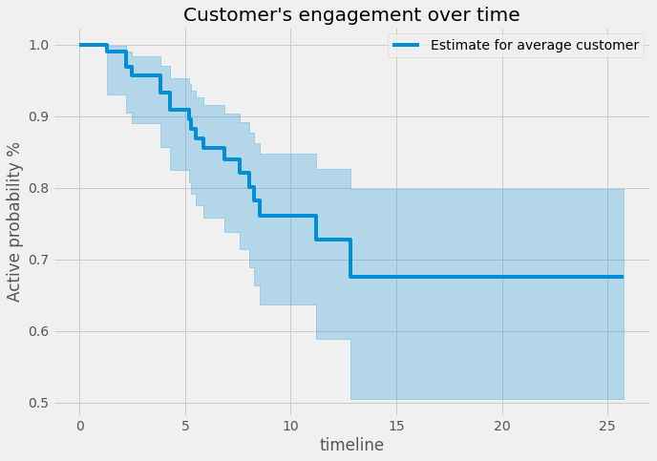
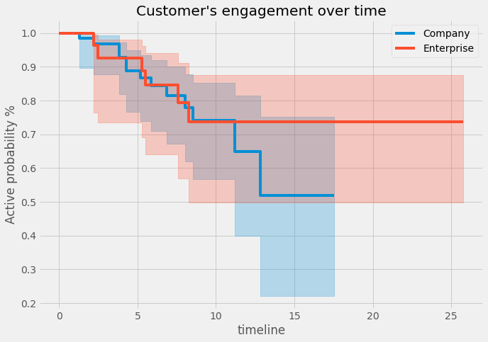

Metrics
Number of views indicates whether or not a customer likes the product, and uses the product regularly.
As size of editor group is diverse amongst customers, the average number of view per editor shows the engagement of a single editor to the product.
It is calculated by:
number of views last month / number of max editors in a customer team
- When this figure is larger than 1, it shows averagely an editor viewed the product at least once last month.
- If not, it shows averagely not all editor viewed the product at least once last month.
This figure is use to predict customer churn
Kaplan-Meier estimator
Is non pamaretric (*) method to estimate how many observations are still “surviving” at each period of time and predict survival probabilities over a given period of time.
Why use? It can be applied in case some of the observations in the data weren’t observed for as long enough, for example customers just signed up a week or month ago.
Weibull estimator
Is parametric (**) method uses when the proportion of data is unbalance as seen in the given dataset, when number of customers aquired in 2019 is very low (less than 10) compared to the later period
Note:
Nonparametric methods are not based on assumptions, in which the data can be collected from a sample that does not follow a specific distribution.
Parametric methods (**) are based on assumptions about the distribution of population from which the sample was taken.

Comments
For an average customer, customer tends to be 100% active in the first 2 months, then active probability dropped to 90% at the 5th month. After a year of subscription, approx. 30% of customers are not active in viewing. Those customers need extra attention from marketing perspective.
Not many customers started subscription in 2019, therefore the flat line in the period 15th to 25th month only presents for a minority of customers
Compare active status for customer type company vs enterprise

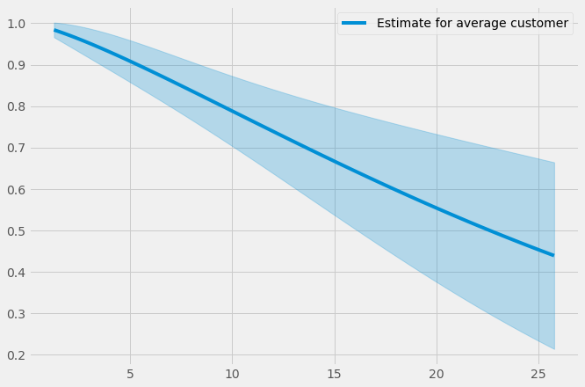
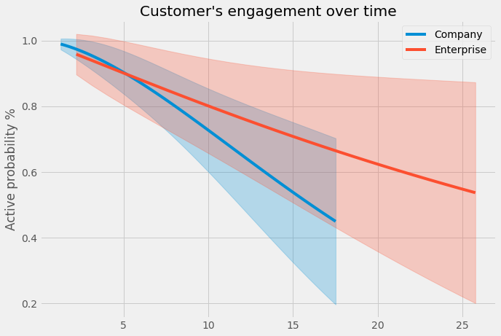
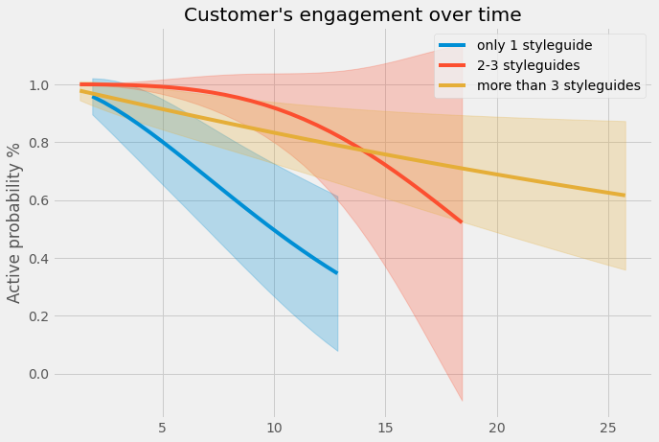

Comments
Customers in enterprise type tends to stay more active to the product in the first 5 months of subscription, then becomes less active in viewing products compared to company type
Comments
Customers who use 2-3 style guides tend to be the most active customers in using products, followed by customers who use more than 3 style guides.
The customers who use only 1 styleguide seem to view/use product less after 5 months, and after 12 months, these customers have 50- 60% to cancel subscription, which need extra attention.

Dashboard 1
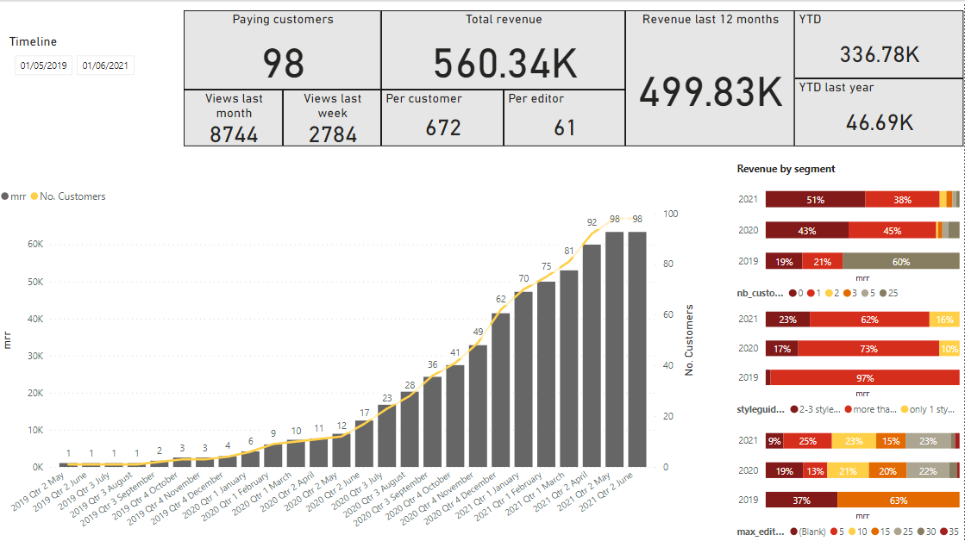
At the glance - dashboard
Back

Dashboard 2
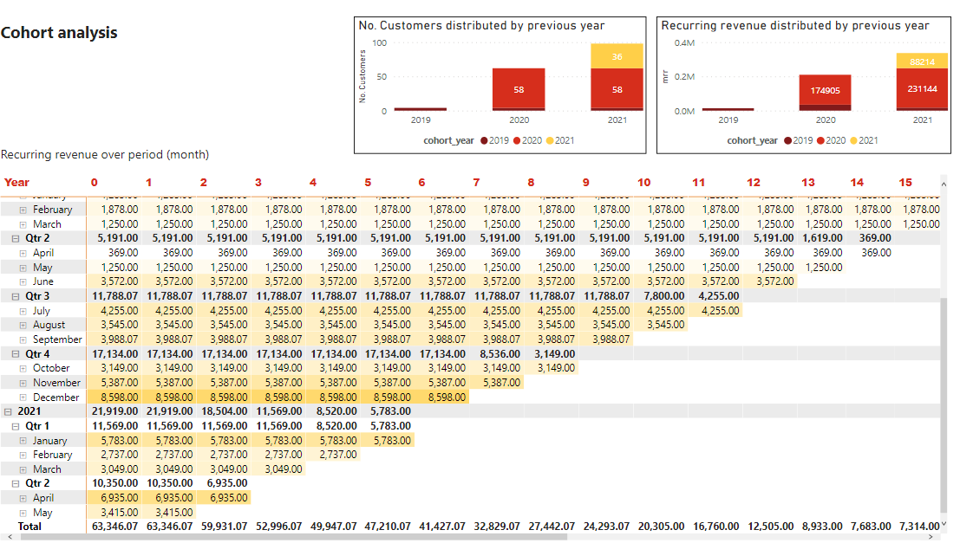
Cohort - dashboard

Back

